Sheet1
 | 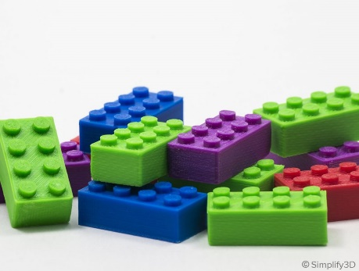 | 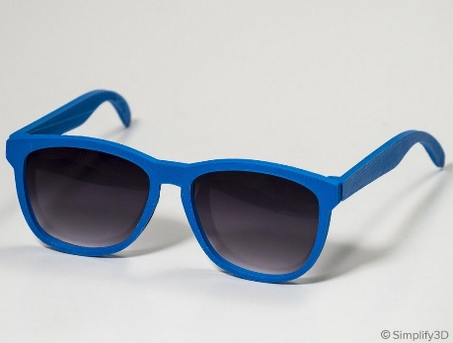 | 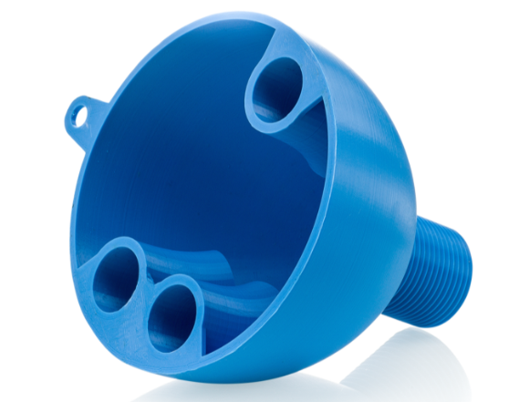 | 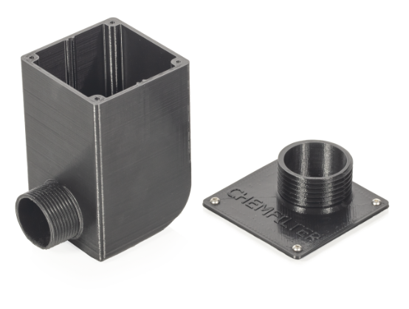 | 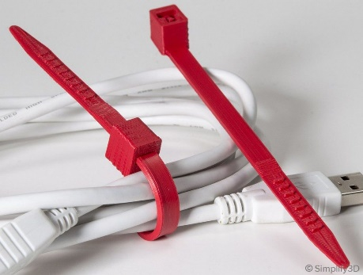 | 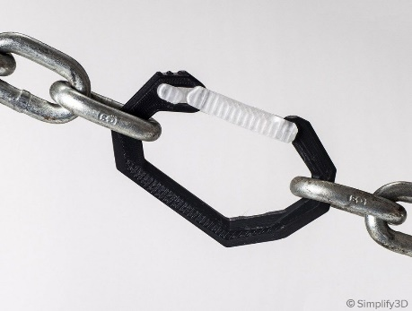 | 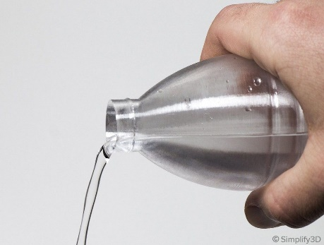 | 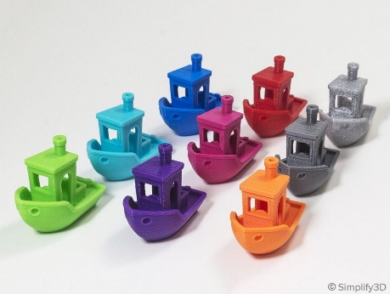 | 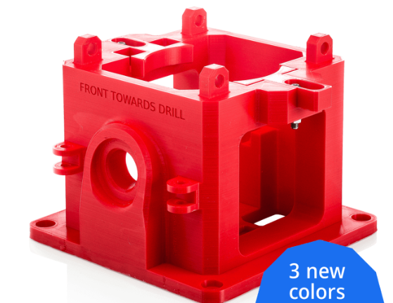 | 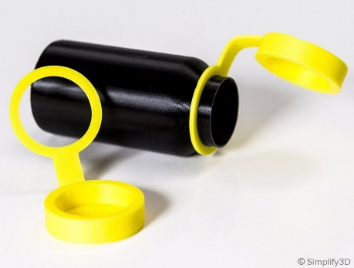 | 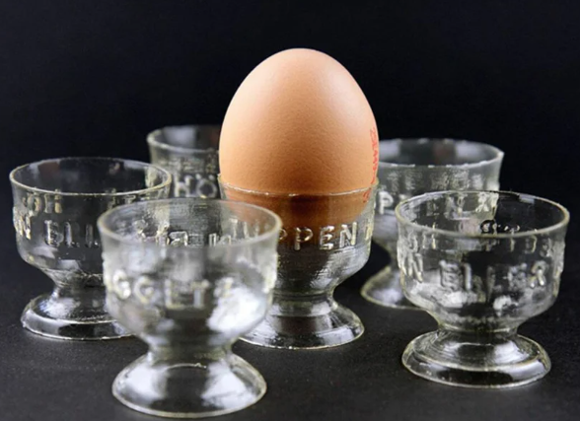 | 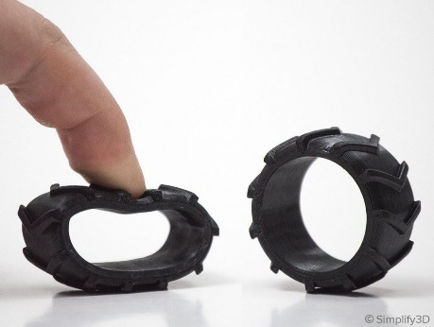 | 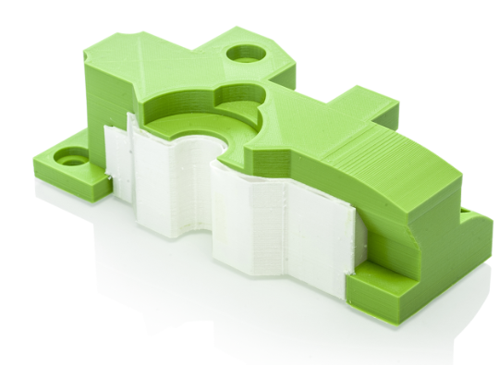 | 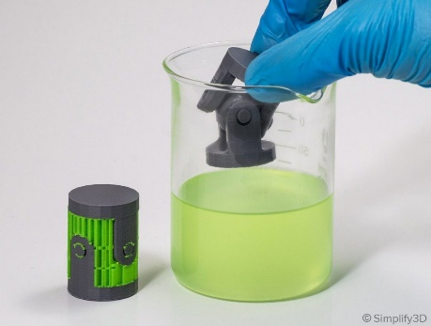 | 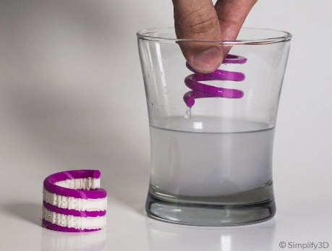 | 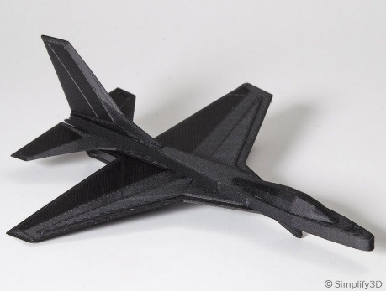 | 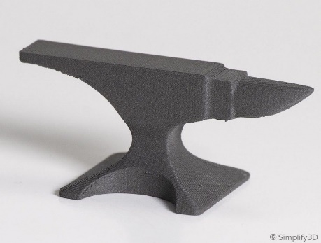 | 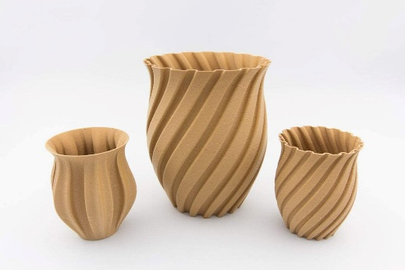
 | ABS | ASA | CPE | CPE+ | PA (Nylon 6/66) | PC | PETg | PLA | Though-PLA (PLA+) | PP | PVB | TPU 95A | Breakaway (support) | HIPS (support) | PVA (support) | Carbon fiber filled | Metal filled | Wood filled
General properties
Name | Acrylonitrile butadiene styrene | Acrylonitrile styrene acrylate, also called acrylic styrene acrylonitrile | Co-polyester | Co-polyester (polycyclohexylenedimethylene terephthalate glycol-modified) | Polyamide | Polycarbonate (black/white coloured) | Polyethylene terephthalate glycol-modified (Co-polyester) | Polylactic acid (polyester) | Polylactic acid | Polypropylene | PolyVinyl Butyral | Thermoplastic polyurethane | Mixture Thermoplastic polyurethane - Polylactic acid (TPU-PLA) | High impact polystyrene | Polyvinyl alcohol compound | PET CF 15 BLACK, PET filled with 15% carbon fiber | 17-4 PH. metal powder (SS) encapsulated, in a polymer matrix | PLA natural wood (40% wood in PLA)
Brand (filament) | Ultimaker | Basf ultrafuse | Ultimaker | Ultimaker | Ultimaker | Ultimaker | Ultimaker | Ultimaker | Ultimaker | Ultimaker | Polymaker / Prusament | Ultimaker | Ultimaker | Makerpoint /BASF ultrafuse | Ultimaker | BASF ULTRAFUSE® | BASF ULTRAFUSE® | Makerpoint
Price 2022 (makerpoint incl. VAT) [€/kg] | 61.22 | 51.54 | 66.95 | 94.20 | 87.93 | 87.93 | 61.22 | 53.24 | 64.45 | 95.59 | 85 | 95.99 | 87.93 | 20 / 52 | 137.05 | 79.46 | 119.80 | 60.5
Specific gravity [g/cm3] | 1.1 | 1.07 | 1.27 | 1.18 | 1.14 | 1.18 - 1.20 | 1.27 | 1.24 | 1.22 | 0.89 | 1.09 | 1.22 | 1.22 | 1.03 | 1.23 | 1.366 | 7.6 (sintered) | 1.23
Weight [g/spool] | 750 | 750 | 750 | 700 | 750 | 750 | 750 | 750 | 750 | 500 | 750 / 500 | 750 | 750 | 750 | 750 | 750 | 3000 | 750
Length [m/spool] | 107 | nd | 93 | 93 | 103 | 99 | 93 | 95 | 96 | 88 | nd | 96 | 96 | nd | 96 | nd | 95 | nd
Printer settings
Print temperature [°C] | 225 - 260 | 260 - 280 | 230 - 260 | 250 - 275 | 230 - 260 | 260 - 280 | 225 - 245 | 200 - 210 | 210 - 220 | 205 - 220 | 205 - 225 | 220 - 235 | 215 - 230 | 240 - 260 | 215 - 225 | 250 - 270 | 230 - 250 | 170 - 190
Built plate temperature [°C] | 80 - 90 | 100 - 120 | 70 - 85 | 110 | 60 - 70 | 110 | 85 | 60 | 60 | 85 - 100 | 70 - 80 | 70 | 60 | 100 - 120 | 60 | 65 - 85 | 90 - 120 | 35 - 60
Optimal Printspeed [mm/s] | 40 - 80 | 30 - 60 (<90) | 40 - 60 (<100) | 40 - 60 (<100) | 40 - 60 | 20 - 40 | 40 - 90 | 30 - 90 | 40- 50 | 30 (up to 60-80) | 40 - 60 | 10 - 30 | nd | 40 - 100 | < 25 | 30 - 80 | 15 - 50 | 40 - 60
Extra adhesion to built plate (anti warping) | UHU stick prevents chipping built plate | Magigoo PC | Not needed (Magigoo original) | Magigoo original ! | Magigoo PA | Magigoo PC | UHU stick (or blue paper-tape) | Not needed (UHU stick, hearspray) | Not needed (UHU stick, hearspray) | Magigoo PP | Not needed (UHU stick) | Not needed (UHU stick, Magigoo flex) | Not needed (UHU stick) | UHU stick, solved ABS | Not needed (UHU stick) | nd | Magigoo Pro Metal | (Dimafix, Magigoo, BuildTak)
Ultimaker S3 nozzles | AA 0.25, AA 0.4, AA 0.8 | AA 0.4, AA 0.8 | AA 0.25, AA 0.4, AA 0.8 | AA 0.4, {AA 0.8} | AA 0.25, AA 0.4, AA 0.8 | {AA 0.25,} AA 0.4, {AA 0.8 } | AA 0.25, AA 0.4, AA 0.8 | AA 0.25, AA 0.4, AA 0.8 | AA 0.25, AA 0.4, AA 0.8 | {AA 0.25} AA 0.4, AA 0.8 | AA 0.4, AA 0.8 (0.8 gives stronger walls) | AA 0.4, AA 0.8 | AA 0.4 | AA 0.4, AA 0.8 | BB 0.4, BB 0.8 | CC 0.6 (3D solex everlast ruby 0.6) | CC 0.4, DD 0.4 | AA 0.4, AA 0.8 (hardened steel)
Compatible with | ABS, {TPU 95A,} {PVA,} Breakaway,{Hips} | nd | CPE, PVA, Breakaway | {CPE+,} {PVA,} Breakaway | {nylon,} { TPU 95A,} PVA, Breakaway | {PC,} {TPU 95A,} {Breakaway} | PETG, {TPU 95A,} PVA, Breakaway | PLA, {though PLA,} PVA, Breakaway | {PLA,} Though PLA, PVA, Breakaway | {PP} | nd | {ABS,} {Nylon,} {PC,} {TPU 95A} {PVA} | All but not: PP {PC}, {TPU 95} | ABS, ASA | All but not: {ABS,} {CPE+,} PC, {TPU95A}, PP | {Hips} | Ultrafuse® Support Layer | PLA, PVA, BVOH, Breakaway
Filament treatment | (recommended 4-8hrs @ 70 °C) | (recommended 4-16hrs @ 60 °C) | (recommended 4-8hrs @ 65 °C) | (recommended 4-8hrs @ 70 °C) | Dry before use: 10-20 hrs @40 °C | Dry before use: 4-8 hrs @70 °C | (recommended 4-8hrs @ 65 °C) | (recommended 4-8hrs @ 40 °C) | (recommended 4-8hrs @ 40 °C) | Not needed | (recommended 4-8hrs @ 60 °C) | (recommended 10-20hrs @ 40 °C) | (recommended 4-8hrs @ 40 °C) | (recommended 4-16hrs @ 60 °C) | Dry before use: 10-20 hrs @50 °C | (recommended 4-16hrs @ 65 °C) | Drying not neccesary | (recommended 4-8hrs @ 40 °C)

Thermal properties
Thermoplastic / Thermosetting | Thermoplastic | Thermoplastic | Thermoplastic | Thermoplastic | Thermoplastic | Thermoplastic | Thermoplastic | Thermoplastic | Thermoplastic | Thermoplastic | Thermoplastic | Thermoplastic | Thermoplastic | Thermoplastic | Thermoplastic | Thermoplastic | Thermoplastic before de-binding | Thermoplastic
Heat deflection (HDT) (0.25mm) at 0.455 (ISO 75-2) [MPa] | 86.6 | 101 | 77.2 | 100 | 89.2 | 104.5 | 76.2 | 58.8 | 58.3 | 64.1 | 60 | 50.3 | nd | 91 | nd | 108 | nd | 55
Softening temperature (Vicat A120, ISO 306) [°C] | 93.8 | 105.3 | 83.4 | 108.7 | 169.6 | 114.7 | 82.9 | 64.5 | 63.7 | 99 | 70 | 115.7 | nd | 94 | nd | nd | nd | 48
Glass transition (Tg) (ISO 11357) [°C) | 100.5 | 112 | 80 | 105.9 | 55.1 | 107.7 | 77.4 | 59.1 | 59 | -25 | 70 | 60 | 59.7 | 99 | 58.4 | 79 | nd | 55 - 60
Melting temperature (Tm) (ISO 11357) [°C] | (225 - 245) | (240-270) | (>100) | nd | 188.4 (185 - 195) | (145 - 160) | (220 - 230) | 151.8 (145 - 160) | 152 (>140) | 130.6 (123 - 165) | (135 - 210) | 216.8 (220) | 151.8 | 240 | 175.4 (163) | 245 | nd | 150 - 170
(Print) temperature to avoid (@ standard printing speeds) [°C] | >260 | nd | >260 | >280 | >280 | >300 | >decomposition temp | >240 | >230 | >300 | >260 (Avoid all sources of ignition) | >250 | >240 (Avoid all sources of ignition) | >300 | >230 (Avoid all sources of ignition) | nd | (Avoid all sources of ignition) | nd
Thermal decomposition [°C] | >280 | >380 | nd | nd | 300 | 380 | nd | 250 | nd | >300 | 280 | >230 | >280 | >280 (flashpoint) | >210 | no | no | nd
(Auto) Ignition temperature [°C] | nd | 466 | nd | nd | >430 | 450 | nd | 388 | 350 | <400 | >350 | >400 | nd | >400 | 440 | no | no | no
Application temperature max. [°C] | 87 | 95 | 77 | 100 | 89 | 110 | 76 | 59 | 58 | 99 | <60 | 116 | nd | nd | nd | 74 | nd (but very high) | 59
Melt mass-flow rate (MFR, ISO 1133) [g/10 min] | 41 | 3.9 | 13.2 | 8.5 | 6.2 | 23 - 26 | 6.4 | 6.1 | 6 - 7 | 20 | 6.6 | 15.9 | 3 - 6 | 29.3 | 17 - 21 | 25 | nd | 22
Thermal Expantion [um/m°C] | 90 | 98 | 70 | nd | 95 | 69 | 60 | 68 | nd | 150 | nd | 100 | nd | 80 | 85 | 57.5 | 33.75 | 30.5
Thermal conductivity [W/mK] | 0.173 - 0.202 | 0.173 | nd | nd | 0.2 | 0.19 - 0.22 | 0.21 | 0.13 | nd | 0.202 - 0.4 | 0.22 | 0.19 - 0.25 | nd | 0.158 - 0.173 | 0.2 | nd | nd | nd
Electrical properties |  |  |  |  |  |  |  | Water, Salt, Oil
Dielectric Strength (Ep) [kV/mm]*** | 18.37 | 11.51 | 22.73 | nd | 32.61 | 14.78 | 13.78 - 19.76 (color and brand depended) | 7.7 - 13.38 (color and brand depended) | nd | 17.68 | nd | 23.13 (TPU 98A) | nd | 12-24 | nd | nd | nd | nd
Arc resistance (bulk material) [s] | 60 - 120 | 60 - 120 | nd | nd | 118 - 125 | 110 - 120 | 75 - 125 | 190 | nd | 135 - 180 | nd | nd | nd | 20 - 100 | nd | nd | nd | nd
Volume resistivity (ρv) [Ω cm]*** (average) | 8.80x1017 | 0.72x1017 | 0.71x1017 | nd | 0.02x1017 | 6.68x1017 | 2.117x1017 | 1.09x1017 | nd | 0.29x1017 | nd | 0.0014x1017 | nd | nd | nd | nd | nd | nd
Surface resistivity (ρs) [Ω]*** (average) | 7.43x1017 | 2.17x1017 | 3.550x1017 | nd | 0.32x1017 | 2.69x1017 | 3.035x1017 | 0.15x1017 | nd | 3.23x1017 | nd | 0.061x1017 | nd | nd | nd | nd | nd | nd
Dielectric constants: ε’(permittivity) / ε’’ (loss factor) @50Hz*** | 2.65 / 4.38x10-2 | 3.22 / 5.9x10-2 | 3.24 / 0.471x10-2 | nd | 4.27 / 28.2x10-2 | 2.73 / 0.136x10-2 | 3.08 / 0.45x10-2 | 2.71 / 1.20x10-2 | nd | 2.13 / 0.36x10-2 | nd | 5.54 / 21.9x10-2 | nd | nd | nd | nd | nd | nd
Dielectric constants: ε’(permittivity) / ε’’ (loss factor) @140Hz*** | 2.47 / 3.10x10-2 | 3.08 / 3.98x10-2 | 3.09 / 6.74x10-2 | nd | 3.05 / 14.8x10-2 | 2.70 / 1.95x10-2 | 2.95 / 6.02x10-2 | 2.64 / 1.93x10-2 | nd | 2.12 / 0.16x10-2 | nd | 4.38 / 23.6x10-2 | nd | 2.4 - 4.8 / | nd | nd | nd | nd
Dielectric constants: ε’(permittivity) / ε’’ (loss factor) @847Hz*** | 2.44 / 2.91x10-2 | 3.02 / 5.23x10-2 | 3.00 / 7.12x10-2 | 2.77 / 1.5x10-2 | 2.90 / 10.20x10-2 | 2.67 / 3.16x10-2 | 2.87 / 6.45x10-2 | 2.61 / 2.11x10-2 | nd | 2.12 / 0.01x10-2 | nd | 4.10 / 23.7x10-2 | nd | nd | nd | nd | nd | nd
Chemical properties
Polar / non-polar | Polar | Polar | Polar | Polar | Polar (Highly) | Polar | Non-polar | Non-polar | Non-polar | Non-polar | Polar | polar hard and less polar soft segments | nd <blend of PLA and TPU> | Non-polar | Polar | nd | nd | nd
Amourphous / Semi-crystalline | Amorphous | Amorphous | Amorphous | Amorphous | Semi-crystalline | Amorphous | Amorphous | semi-crystalline | semi-crystalline | Semi-crystalline | Amorphous | Amorphous | nd <blend of PLA and TPU> | Amorphous | Amorphous
UV-light resistance | Moderately | Very well (excellent) | Very well | Very well | Does not resist | Moderately | Very well | Moderately | Moderately | Poorly | Very well | Very well | nd | Poorly | Poorly | nd | Very well after sintering | Moderately
Hydrophobic / Hydrophilic / Hygroscopic | Hygroscopic | Hygroscopic | Hygroscopic | Hygroscopic | Hygroscopic (Highly) | Hygroscopic (a bit high) | Hydrophobic | Hygroscopic (a bit) | Hygroscopic (a bit) | Hydrophobic | Hygroscopic | Hygroscopic & hydrophobic (blend) | nd | Hydrophobic | Hygroscopic & Hydrophilic | nd | nd | Hygroscopic & Hydrophilic
Water absorption 23°C, 50% RH (at equilibrium) [wt%] | 0.2 | 0.2 | nd | nd | 2.7 | 0.15 | 0.13 | <0.1 | <0.1 | 0.01 -0.1 | nd | 0.5 |  | 0.098 - 0.1 |  | nd | nd | nd
Water absorption 24h (immersed) [wt%] |bulk| | 0.27 - 0.31 |0.05 - 1.8| | 0.3 - 0.32 |0.2 - 0.3| | nd | nd | 4 |8| | 1.3 |0.1 - 0.2| | nd |0.1| | 0.9 |nd| | 0.7 - 1.2|nd| | 0.01 - 0.16 |0.01 - 0.1| | 1-2 | 1.4 |  | 0.1 | nd | nd | nd | nd
Solvents solubility (and surface vapour smoothing) | Acetone, esters, ketones, ethylene dichloride, DMF, DMSO, THF | Acetone, dichloro-ethylene, THF | TCB, MEK, THF, methylene chloride, ethyl acetate, cyclohexanone | TCB, MEK, THF, methylene chloride, ethyl acetate, cyclohexanone | Formic acid, Sulfuric acid 96%, m-cresol, HFIP, Hydrochloric acid | DMF, Chloroform, 1,4-dioxane, (Acetone) | Dichloromethane, THF, MEK, Toluene, Ethyl Acetate | Chloroform, NaOH, MEK, THF, ethyl acetate, acetone | Chloroform, NaOH, MEK, THF, ethyl acetate, acetone | Slightly "soluble" in organic solvents | IPA ((disperse), ethanol, butanol, MEK, Ethyl acetate (esters, ketons, alcohols) | THF, DMF, DMA, NMP, DMSO, acetone, alcohols | nd | d-limonene, acetone, | Dimethyl sulfoxide (DMSO), Water | nd | nd | nd
Food safe (ignoring effects of the 3D printing process) | No | No |  |  | Yes | No | Yes | Yes | (Yes) | Yes | Yes | (No) |  | No | Yes | nd | nd | nd
General chemical resistance | Water, some Acids, Alcohols, Salt | Water, some Acids, Bases (alkali), Alcohols, Salt, Oil | Water, Alcohols (EtOH, IPA), Acids , Bases. Better then PETG | Water, Alcohols (EtOH, IPA), Acids, Bases !!! Better then CPE and PETG | IPA, Solvents (acetone, glycerol) | Water and Alcohols | Water, Alcohols (EtOH, IPA), Acids, Bases (Alkali), Fuel, Oil | Water, Salt, Oil | Water, Salt, Oil | Most chemicals (except acetone and fluorinated/chlorinated chemicals) | Water | Water, Salt, Glycol, Oils and Fuels | nd | nd | nd | nd | nd | nd
Resistance - water (H2O)** | Moderately (hygroscopic at slow rate) | Very well | Very well | Very well | Very well (but very hygroscopic (fast)) | Very well (but very hygroscopic) | Very well (hygroscopic at slow rate) | Very well (hygroscopic) | Very well (hygroscopic) | Very well | Very well | Very well | nd <blend of PLA and TPU> | Almost non-hygroscopic | Does not resist (and very hygroscopic) | nd | nd | nd
Resistance - salt water (10% NaCl)** | Very well | Moderately | Very well | Very well | Very well | Very well | Very well | Moderately | Moderately | Very well | Moderately | Very well | nd | Very well | Does not resist | nd | nd | nd
Resistance - IPA (75%)** | Moderately | Moderately | Very well | Very well | Very well | Moderately | Very well | Poorly | Poorly | Very well | Does not resist | Poorly | nd | Moderately | Moderately | nd | nd | nd
Resistance - IPA (99%)** | Moderately | Moderately | Very well | Very well | Very well | Moderately | Moderately | Poorly | Poorly | Very well | Does not resist | Poorly | nd | Moderately | Moderately | nd | nd | nd
Resistance - Ethanol** | Very well | Moderately | Very well | Very well | Very well | Moderately | Moderately | Poorly | Poorly | Very well | Poorly | Poorly | nd | Moderately | Moderately | nd | nd | nd
Resistance - Acetone** | Does not resist | Does not resist | Very well | Very well | Very well | Does not resist | Poorly | Does not resist | Does not resist | Very well | Does not resist | Poorly | nd | Poorly | Very well | nd | nd | nd
Resistance - Antifreeze coolant, ethylene glycol (fridex)** | nd | Very well | Very well | Very well | nd | Very well | Very well | Poorly | Poorly | nd | Moderately | Very well | nd | Very well | Does not resist (water sollution) | nd | nd | nd
Resistance - Vinegar (acetic acid 8%)** | Moderately | Very well | Very well | Very well | Poorly | Very well | Very well | Moderately | Moderately | Very well | Poorly | Poorly | nd | Moderately | Does not resist (water sollution) | nd | nd | nd
Resistance - Citric acid** | nd | Very well | Very well | Very well | Moderately | Very well | Very well | Moderately | Moderately | Very well | Moderately | Poorly | nd | Moderately | Does not resist (water sollution) | nd | nd | nd
Resistance - Hydrochloric acid 37%** | Poorly | Poorly | Very well | Very well | Does not resist | Very well | Very well | Poorly | Poorly | Very well | nd | Poorly | nd | Poorly | Does not resist (water sollution) | nd | nd | nd
Resistance - Phosphoric acid 85%** | Very well | nd | Very well | Very well | Does not resist | Very well | Poorly | Poorly | Poorly | Very well | nd | Poorly | nd | Poorly | Does not resist (water sollution) | nd | nd | nd
Resistance - Nitric acid 69%** | Very well | nd | Does not resist | Does not resist | Does not resist | Does not resist | Does not resist | Does not resist | Does not resist | Very well | nd | Poorly | nd | Poorly | Does not resist (water sollution) | nd | nd | nd
Resistance - Sulphuric acid 96%** | nd | nd | Poorly | Poorly | Does not resist | Does not resist | Does not resist | Does not resist | Does not resist | Very well | nd | Moderately | nd | Poorly | Does not resist (water sollution) | nd | nd | nd
Resistance - Hydrogen peroxide 30%** | Very well | Very well | Very well | Very well | Does not resist | Very well | Very well | Moderately | Moderately | Very well | nd | nd | nd | nd | Does not resist (water sollution) | nd | nd | nd
Resistance - sodium hydroxide (NaOH) 10% @RT | Very well | Very well | Moderately | Moderately | Very well | Very well | Poorly | Does not resist | Does not resist | Very well | nd | Moderately | nd | Moderately | Does not resist (water sollution) | nd | nd | nd
Resistance - Desinfectant (Savo 1:10 (NaClO))** | nd | Very well | Very well | Very well | Very well | Moderately | Very well | Poorly | Poorly | Very well | Moderately | nd | nd | Moderately | Does not resist (water sollution) | nd | nd | nd
Incompatible with | Strong oxidizing agents | Strong oxidizers and strong basis | Strong oxidizing agents | Strong oxidizing agents | … | Acetone, ammonia | Strong oxidizing agents | Oxidizing agents, strong bases | Oxidizing agents and strong bases | Strong oxidizing agents | Strong acids. Strong oxidising agents, IPA | nd | Strong oxidizing agents | oxidizing agents | Oxidizing agents, acids, bases | nd | Oxidizing agents, inorganic acids, plastics containing halogenated flame retardants | Strong oxidizing agents
Mechanical properties
Tensile (Young`s) modulus (ISO 527) (XY (flat) / YZ (side) / Z (up)) [Mpa]* | 1962 / 1931 / 1699 | 1828 / nd / 1400 | 1863 / 1883 / 1632 | 1523 / 1542 / 1442 | 2331 / 2336 / 2300 | 2394 / 2352 / 2255 (bl., Wh. 1904) | 1939 / 1874 / 1711 | 3250 / 3292 / 3071 | 2797 / 2797 / 2696 | 253 / 273 / 234 | 1600 / 1600 / nd | 67 / 67 / 56 | nd <blend of PLA and TPU> | 1588 / nd / 1603 | nd | 6178 / nd / 2822 | nd / nd / nd | 3120
Tensile stress at yield (deform) (XY (flat) / YZ (side) / Z (up)) [Mpa]* | 38.1 / 38.2 / no yield |  | 45.3 / 50.7 / no yield | 43.8 / 46.2 / no yield | 63.1 / 65.3 / no yield | 53.3 / 58.5 / no yield | 46.2 / 50.3 / - | 52.5 / 59.0 / no yield | 45.3 / 47.5 / 33.4 | 10.2 / 12.1 / 8.6 | 50 / 49 / nd | no yield | nd | 18.4 / nd / 13.7 | nd | 63.2 / nd / 12.5 | 760 / nd / 730 | 40
Tensile stress at break (XY (flat) / YZ (side) / Z (up)) [Mpa]* | 33.9 / 35.7 / 19 | 36.6 / nd / 12 | 38.4 / 39.3 / 18.4 | 33.3 / 33.2 / 14.1 | 40.4 / 42.3 / 23 | 43.2 / 54.8 / 25.2 | 38.5 / 44 / 19 | 45.5 / 56.0 / 33.1 | 27.5 / 31.3 / 32.5 | nb / nb / 8.2 | nd / nd / nd | 23.7 / 37.9 / 6.4 | nd |  | nd |  |  | 70
Elongation at yield (deform) [%] (XY (flat) / YZ (side) / Z (up)) [Mpa]* | 4.1 / 4.1 / no yield |  | 5.3 / 6.0 / no yield | 8.4 / 8.4 / no yield | 6.1 / 6.5 / no yield | 6.1 / 5.9 / no yield | 5.9 / 6.0 / - | 3.4 / 3.4 / no yield | 3.2 / 3.5 / 2.6 | 34.8 / 29.1 / 18.7 | 4.6 / 4.4 / nd | no yield | nd |  | nd |  |  | 2
Elongation at break (XY (flat) / YZ (side) / Z (up)) [%]* | 4.6 / 4.5 / 2 | 4.5/ nd / 1 | 8.2 / 6.6 / 1.4 | >130 / >150 / 1.4 | >120 / >130 / 1.7 | 9.2 / 6.7 / 2.0 | 7.6 / 6.4 / 1.8 | 7.8 / 4.2 / 2.0 | 9.4 / 8.2 / 3.1 | >800 / >800 / 22.8 | 4.5 | >560 / >700 / 82.3 | nd | 5.4 / 5.2 / 4.6 | nd | 3.7 / 2.8 / 0.9 | 4 / nd / 3 | 6
Flexural modulus (ISO 178) (XY (flat) / YZ (side) / Z (up)) [Mpa]* | 1430 / 1470 / 1317 | 1733 / 1638 / 1041 | 1579 / 1511 / 1303 | 1250 / 677 / 620 | 1872 / 1052 / 1060 | 1619 / 2052 / 2032 | 1882 / 1681 / 1489 | 3019 / 2894 / 2740 | 2882 / 2503 / 2358 | 293 / 250 / 212 | 2200 / 2300 / nd | 62.6 / 55.1 / 62.6 | nd | 1635 / 1526 / 1227 | nd | 5452 / 6293 / 2253 |  | 3200
Flexural strength (XY (flat) / YZ (side) / Z (up)) [Mpa]* |@%strain| | 61.1 |5.1| / 60.2 |5.3| / 21.5 |1.5| | 59.4 / 61.2 / 19.9 | 72.8 |5.4| / 75.4 |5.9| / 32.7 |2.3| | 68.9 |7.1|/ 52.2 |9.6| / 42.1 |7.6| | 82.9 |6.6| / 63.4 |7.5| / 36.6 |4.0| | 89.4 |6.9| / 98.4 |6.1| / 32.2 |1.5| | 78.9 |5.5| / 75.8 |5.5| / 50.0 |3.6| | 96.8 |2.5| / 103.1 |1.1| / 52.0 |4.4| | 91.6 |4.1| / 83.0 |4.4| / 61.3 |3.4| | 15.3 |8.4| / 12.9 |8.2| / 9.4 |8.9| | 72 |8.4| / 73 |8.5| / nd | 4.1 |9.4| / 3.8 |9.8| / 4.3 |9.7| | nd |  | nd |  | 680 / nd / 700 | 43
Flexural strain at break (XY (flat) / YZ (side) / Z (up)) [Mpa]* | No break (>10%) / (>10%) / 1.5 | 5.4 / 5.2 / 2.9 | No break (>10%) / (>10%) / 2.3 | No break (>10%) / (>10%) / 7.6 | No break (>10%) / (>10%) / 4 | No break (>10%) / (>10%) / 1.5 | No brak (>10%) / (>10%) / 3.6 | 4.8 / no break (>10%) / 1.9 | No break (>10%) / (>10%) / 3.4 | No break (>10%) / (>10%) / (>10%) | nd / nd / nd | No break (>10%) / (>10%) / (>10%) | nd | 31.8 / 32.2 / 26.8 | nd | 108 / 145 / 19.7
Charpy impact strength (notched, ISO 179-1)) [kJ/m2] (XY) | 14.2 | 8.9 | 5.8 | 36.7 | 13.7 | 11.6 | 7.9 | 3.9 | 8.9 | 49.1 | 9 | 36 | nd | 6.5 | nd | 5.4 |  | 7
Izod impact strength, notched (at 23 °C, ISO 180) [kJ/m2] (XY} | 10.5 | 8.7 | 4.0 | nd | 8 | 4.1 (transp.) 14.9 (bl.,wh.) | 6.8 | 5.1 | nd | 34 | 7 | 34.4 | nd | 6.9 | nd | 5.7 |  | 7
Hardness (ISO 7619-1) [Shore D] | 76 | 75 - 80 | 76 | 77 | 81 | 81 | 76 | 84 | 80 | 42 | 77 | 48 | nd | 76.6 | nd |  | (Vickers 257 HV10, 352 HV 10 sintered)
Subjective comparison
Strength (before break) [0-100] | 45 | 61 | 59 | 70 | 70 | 80 | 59 | 72 | 74 | 36 | 50 | 36 |  | 36 | 87 | 50 | 28 | 51
Stifness [0-100] (How easy is it to bend?) | 50 | 50 | 50 | 40 | 50 | 60 | 60 | 75 | 79 | 40 | 50 | 10 |  | 10 | 30 | 100 | 100 | 80
Elasticity [0-100] (Is it stretchable?) | 45 | 47 | 46 | 56 | 33 | 31 | 45 | 6 | 20 | 92 | 54 | 98 | nd | 54 | nd | 0 / /20 | nd | 10
Durabillity [0-100] (temp., UV-light, chem., fatigue) | 80 | 100 | 90 | 100 | 100 | 90 | 80 | 40 | 55 | 90 | 40 | 90 |  | 70 | 70 | 30 | 40 | 30
Printabillity (oozing, warping, clogging) | 80 | 70 | 50 | 40 | 80 | 60 | 90 | 90 | 90 | 40 | 90 | 60 |  | 60 | 50 | 80 | 70 | 80
Heat resistance | 90 | 100 | 80 | 100 | 10 | 90 | 30 | 10 | 15 | 50 | 20 | 30 | 20 | 90 | 20 | 90 | 100 | 10
Positive aspects | Tough and durable. Heat, wear and impact resistant | Strong UV, weather and chemical resistance. High impact and wear resistance. High glass transition temperature. | Chemical resistant and tough. Chemical properties lay between CPE+ and PETg. Better built plate adhesion then CPE+ | Good mechanical properties. Very good chemical properties (better then CPE and PETg). High temperature and impact resistant. High hardness. Wear resistant. 10x tougher then CPE | Tough and semi-flexible material, offers high strength, high impact, heat, chemical and abrasion resistance. Ideal choice for printing durable (functional) parts. Inexpensive. | Easy to post-process (sanding). Can be sterilized. Extremely high heat deflection and Impact resistant. High heat resistance (high glass temperature). Naturally transparent. Bendable without breaking. | Semi-rigid material with good impact and abrasion resistance. Humidity and chemical resistant. High transparency. Can be food safe. Great thermal characteristics, negligible warpage. Recyclable. Glossy and smooth surface finish | The easiest FDM materials to print. Good details. Rigid, strong, fast, reliable. Made from biomass (corn). "Biodegradable" by high amount of specific microbes in a humid enviroment >30°C. Odorless. Good UV resistance. Low cost | As strong and stiff as ABS, but prints as easy as PLA. Made from biomass (corn). Post-processing more easy then with PLA. Tough, safe and easy to use. Less brittle and higher impact strength compared to PLA | Semi-rigid and lightweight. Tough. Good heat resistance. Smooth surface finish. Impact and fatigue resistance. Chemical resistant and flexible. Non-hygroscopic | Can be smoothed (IPA), easy to print, low warping, Good tensile strength, great surface adhesion, filament transparancy | Good abrasion resistance. Wear and tear resistant. Good resistance to oil and grease | Easy to remove by pliers. Compattible with most print materials | Low cost. Impact and water resistant. Non-hygroscopic. Lightweight. Used as a dissolvable support structure for ABS models. | "Biodegradable" with specific micro-organisms or enzymes. Great water dissolvable support material. | Rigid, strong, or extremely tough. Mimics carbon fiber's lightweight strength | Metallic finish is aesthetically appealing. Does not need high-temperature extruder. Heavier than standard filaments. | Wood-textured finish is aesthetically appealing. Might not need wear resistant nozzles, less wear then with Carbon fiber filament. "Biodegradable" by high amount of specific microbes in a humid enviroment >30°C.
Negative aspects | UV sensitive. Requires ventilation (unpleasant fumes). Heavy warping, contracts while cooling | Requires ventilation. High amount of warping. High extruder temperature | Lower temperature resistance then CPE+ |  | Prone to warping. Airtight storage required to prevent water absorption. Not suitable for moist and humid enviroments. High fume emissions. High temperature requirement. | UV sensitive. Absorbs moisture from the air which can cause print defects. High tendency to ooze while printing. Prone to warping. Requires very high print temperatures. | Slightly softer surface which makes it prone to wear. Poor bridging characteristics. Can produce thin hairs on the surface from stringing. Relatively heavy. | Brittle! Less resistant to heat and chemicals. Low humidity resistance. Print layers are visible (rough texture). Difficult to glue (superglue!). Degradation over time | Not resistant to heat | Heavy warping. Low strength. Difficult to adhere to bed and other adhesives. Expensive. | Poor layer to layer adhesion (worse then PLA), brittle, Low temperature resistance, Hygroscopic | Difficult to post process. Difficult to glue | Relatively high cost | High printing temperature, ventilation required | Highly sensitive to moisture, airtight storage containers required. Greater chances of clogging if the nozzle is left hot when not extruding. Expensive. Potentially toxic fumes. | Requires special nozzles. Heavy wear of printer parts. Expensive. | Requires special nozzles. Printed parts are very brittle. Very poor bridging and overhangs. Can cause partial clogs over time. Expensive. Heavy wear of printer parts. | Prone to stringing. maller nozzles can end up with partial clogs over time. May require a larger size nozzle. Requires sanding.
Typical applications | High temperature applications. (Outdoor applications). Functional prototypes and end-use parts that need to be rigid. | Outdoor applications | Visual and functional prototyping, Custom components, Fit testing, Tooling. End-use parts that need to be chemically resistant and slightly flexible. | Visual, functional and custom components that need to be chemically resistant, have more impact strength, and withstand high temperature. | Functional prototypes. Wear resistant parts. Tools, functional prototypes, and end-use parts that require abrasion resistance and flexibility such as gears, hinges or fasteners | For tough environments and engineering applications (minor flexibility). Molds, tools, functional prototypes, and parts for short-run manufacturing that need to retain shape near high temperatures or flames. | Waterproof applications Snap-fit components | Concept models and prototypes that require aesthetic detail, visualization aids, educational projects. Looks-like prototypes. | Printing large prototypes without warping. Functional prototypes for tooling and as manufacturing aids. | Storage and packaging applications, protective covers. Low strength applications like living hinges, straps, leashes, connectors. Lab equipment. Functional prototypes, light shades. | Design parts, vases, lamps, jewellery, transparrant objects (after IPA smoothing). | Flexible prototypes. Wide array of manufacturing projects that demand the qualities of both rubber and plastic. | Support material. Models where support is easily accessible and needs to be quickly removed while keeping the dimensional accuracy of the print with a quality surface finish. | Support material for ABS and ASA (dissolves in D-limonene) | Water solvable support material. Complex models that require supports for large overhangs, deep internal cavities, and intricate geometries. | Functional prototypes Jigs, fixtures, and tooling | Parts with unique metallic finish and added weight. | Models will have a real wooden look and feel
Hubs Spider web graph | 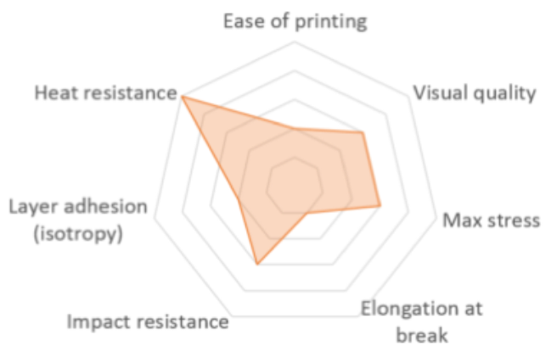 | Similar as ABS |  |  | 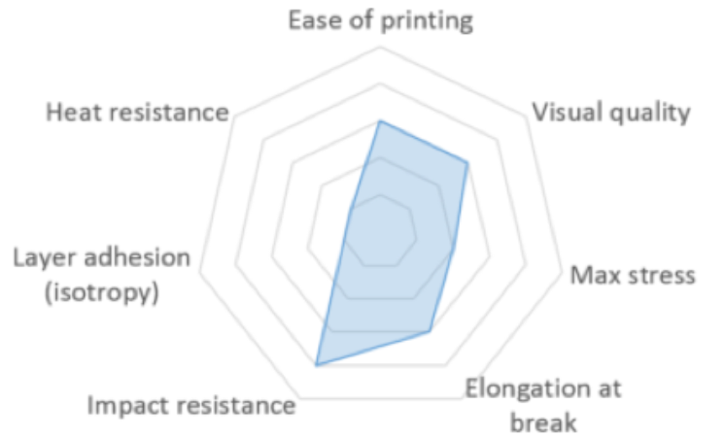 |  | 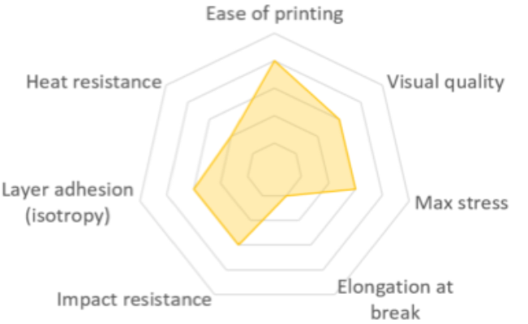 | 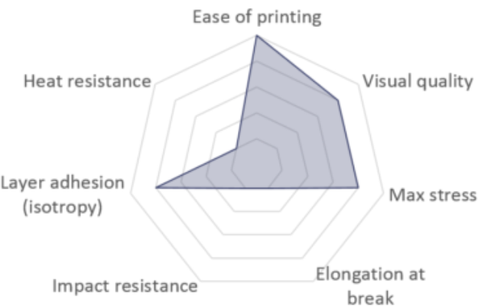 | Mechanically better then PLA | 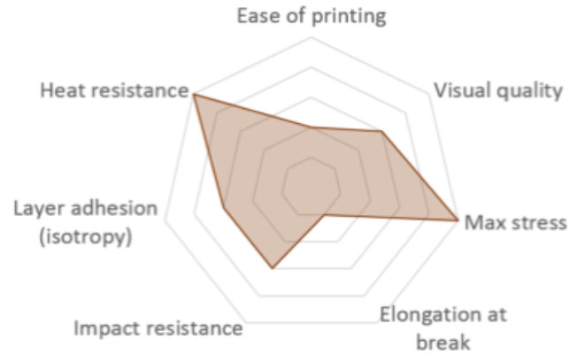 |  | 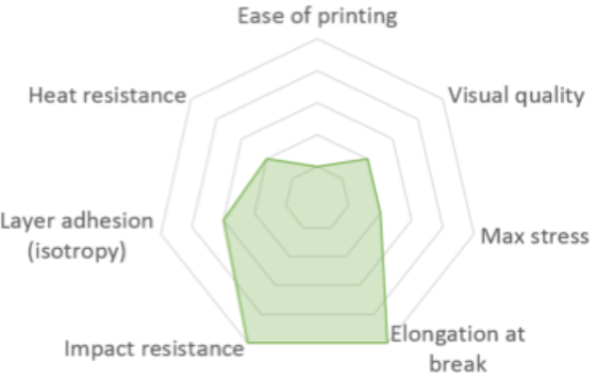
Remarks | Print in fume-hood!!! HIPS as dissolvable suport material (dissolves in d-limonene) | Similar as ABS but better for outdoor. Print in fume-hood is recommended. HIPS as dissolvable suport material (dissolves in d-limonene) |  |  |  |  |  |  |  |  |  |  |  | Support material for ABS and ASA. (dissolves in d-limonene) | Dry before use: 10-20 hrs @70 °C !!! Use only for supports at inaccessable places, consider Breakaway (or HIPS) for all others. | Print in fume-hood!!! Use type PAHT CF15 for more chemical resistance and application temperature up to 150 °C | After printing ("green" part) it is possible to do debinding ("brown" part) and sintering (metal part). Compensate shrinkage by oversize XY=119% Z=122%. | Use sandpaper after printing for smoothing.

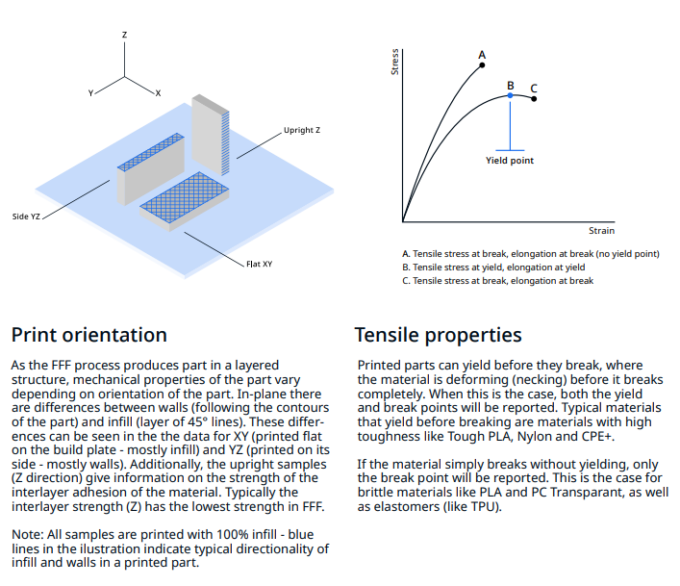
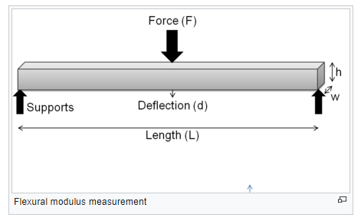
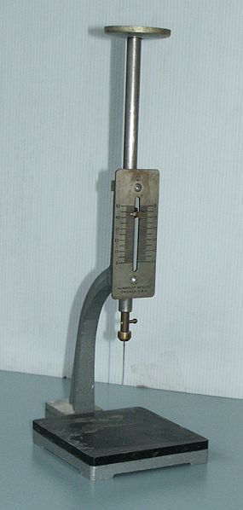
Vicat softening temperature measurement
Compiled by: Martin Slaman - Vrije Universiteit Amsterdam - July 2022
{ } = experimental
nd = no data
## = estimated
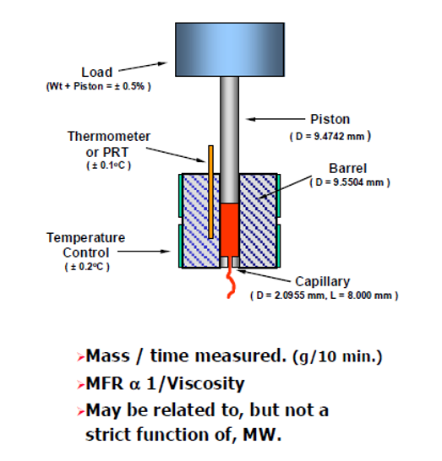
Melt mass-flow rate measurement
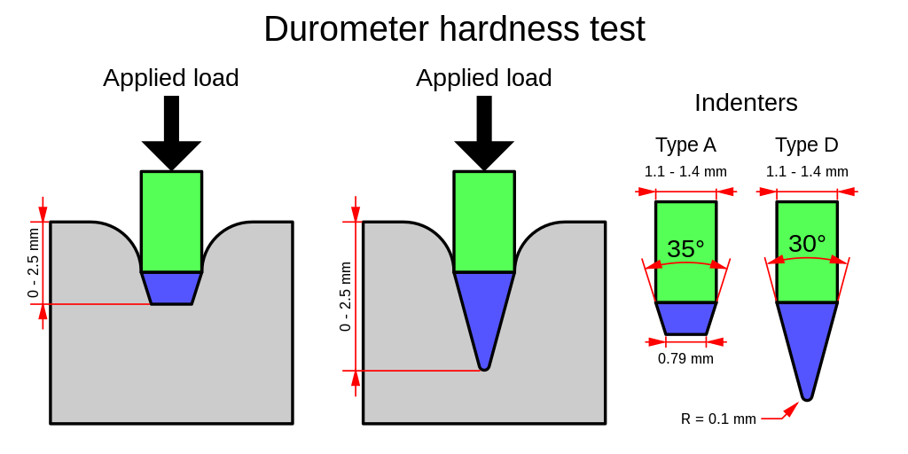
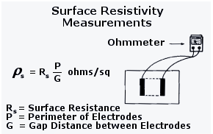
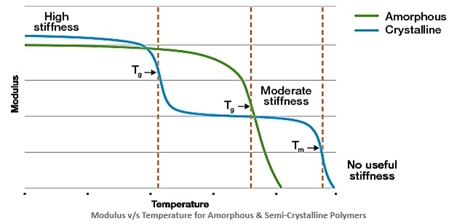
Tg = Glass-transition temperature. Tm = Melt temperature
* Depends on print direction

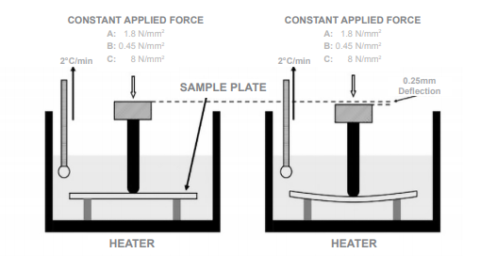
Heat Deflection Temperature measurement
** Data mostly from Prusament:
Very well: Polymer does not melt, absorb substance, or swell during a week’s immersion (less than 1% change in weight and dimensions).
Moderately: Slight swelling or change in weight (2 – 3% change in weight or dimensions).
Poorly: Significant swelling and change in weight of the test sample (4-5% change in weight or dimensions) occurs with prolonged exposure of the polymer.
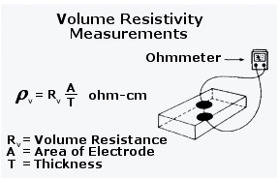
Does not resist: A significant change in weight, severe swelling (change in weight or dimensions over 5%) or complete destruction of the fibre.

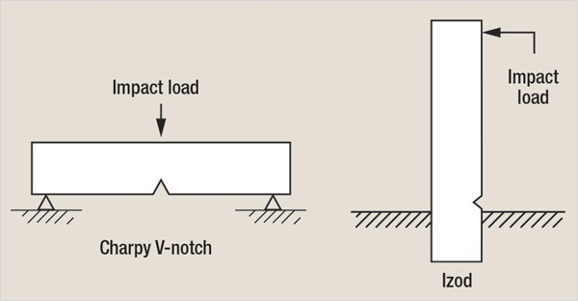
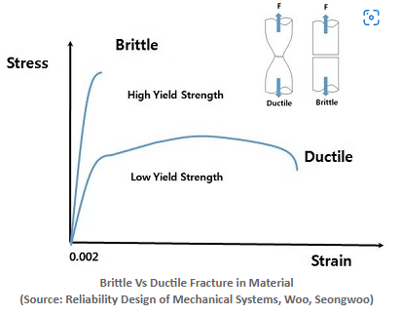
*** FFF 3D Printing in Electronic Applications: Dielectric and Thermal Properties of Selected Polymers - David Kalas - MDPI polymers

1 Mpa = 10.1972 kg/cm2
1kJ = 10197.16 kgf*cm = 101.97 kgf*m

3D Printing: all samples were printed using a new spool of material loaded in an Ultimaker S5 Pro bundle with engineering intent profiles using 0.15 mm layer height with AA0.4 printcore and 100% infill, using Ultimaker Cura 4.9. Samples were printed ‘one-at-a-time’. Printed samples were conditioned in room temperature for at least 24h before measuring. Specimen dimensions (L x W x H): • Tensile test: 215 x 20 x 4 mm • Flexural/Vicat/HDT: 80 x 10 x 4 mm • Charpy: 80 x 10 x 4 mm with printed Notch (Type 1eB) |  |  |  |  |  | 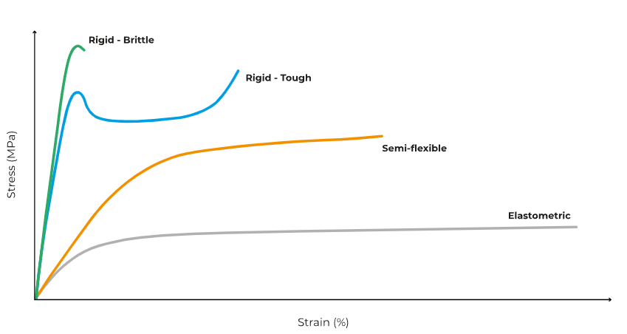 |  |  |  |  | 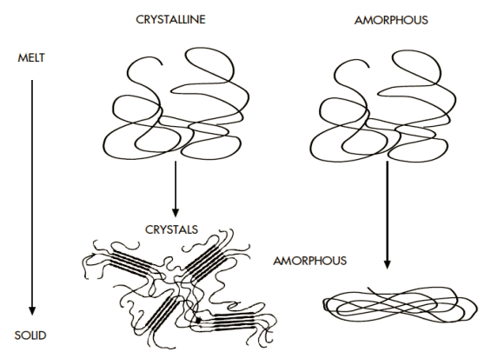
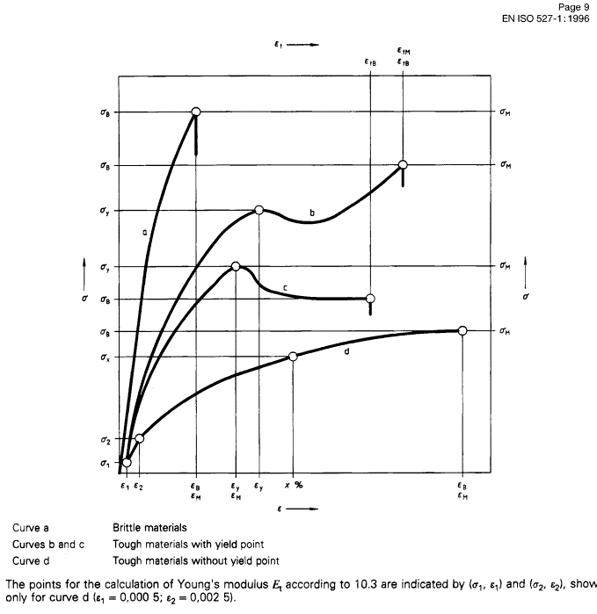
General Sources: Ultimaker, Makerpoint, Simplify 3D, Hubs, formlabs, prusament

